AL
Id | Designator | Name | Quantity | Cost/Qty for 1 | Total Cost | Cost/Qty for 100 | Total Cost | Cost/Qty for 500 | Total Cost | Designation | Supplier | Ordering Number
1 | C1,C2 | Electrolytic Capactior | 2 | 1.9380 € | 3.8760 € | 1.9380 € | 3.8760 € | 1.9380 € | 3.8760 € | 100uF/12V | DIGIKEY | 672D157F012CG5D-ND
2 | C3,C5,C6,C9 | SMD Capacitor | 4 | 0.1310 € | 0.5240 € | 0.0360 € | 0.1440 € | 0.0300 € | 0.1200 € | 0.1uF | MOUSER
3 | C4,C7 |  | 2 | 0.1310 € | 0.2620 € | 0.0360 € | 0.0720 € | 0.0300 € | 0.0600 € | 10nF | MOUSER
4 | C8 |  | 1 | 0.1310 € | 0.1310 € | 0.0360 € | 0.0360 € | 0.0300 € | 0.0300 € | 1uF | MOUSER
5 | J1,J3 | Terminals | 2 | 0.2700 € | 0.5400 € | 0.2400 € | 0.4800 € | 0.2400 € | 0.4800 € | Screw_Terminal_01x02 | Aliexpress/Chinese Supplier
6 | R2,R3,R4 | SMD Resistor | 3 | 0.1310 € | 0.3930 € | 0.0360 € | 0.1080 € | 0.0300 € | 0.0900 € | 10k | MOUSER
7 | R5 |  | 1 | 0.1310 € | 0.1310 € | 0.0360 € | 0.0360 € | 0.0300 € | 0.0300 € | 0 | MOUSER
8 | RV1 | Rotary Potentiometer | 1 | 4.7200 € | 4.7200 € | 3.3100 € | 3.3100 € | 2.5300 € | 2.5300 € | 0-10k | MOUSER | 652-3339H-1-102LF
9 | U1 | Voltage Regulator for 3.3V Supply | 1 | 0.7540 € | 0.7540 € | 0.4030 € | 0.4030 € | 0.3230 € | 0.3230 € | TPS76333 | MOUSER | 595-TPS76333DBVR
10 | U2 | 8-bit Microcontroller | 1 | 1.0200 € | 1.0200 € | 0.6650 € | 0.6650 € | 0.5880 € | 0.5880 € | STM8L051F3 | MOUSER | 511-STM8L051F3P6TR
11 | D1 | Transverse Voltage Suppressor | 1 | 0.3300 € | 0.3300 € | 0.1630 € | 0.1630 € | 0.1260 € | 0.1260 € | SMBJ12CA | MOUSER | 512-SMBJ12CA
12 | J2 | Pin Header in case of Debug | 1 | 0.0000 € | 0.0000 € | 0.0000 € | 0.0000 € | 0.0000 € | 0.0000 € | Conn_01x04
13 | M1 | Integrated Mosfet H-Bridge IC | 1 | 2.9100 € | 2.9100 € | 2.1500 € | 2.1500 € | 1.8300 € | 1.8300 € | IFX9201SG | MOUSER | 726-IFX9201SGAUMA1
14 | D2 | Schottky Diode | 1 | 0.3200 € | 0.3200 € | 0.0950 € | 0.0950 € | 0.0760 € | 0.0760 € | D_Schottky | MOUSER | 625-LL101A
15 | PCB | Printed Circuit Board | 1 | 5.0000 € | 5.0000 € | 0.5200 € | 0.5200 € | 0.3000 € | 0.3000 € |  | PCBWAY

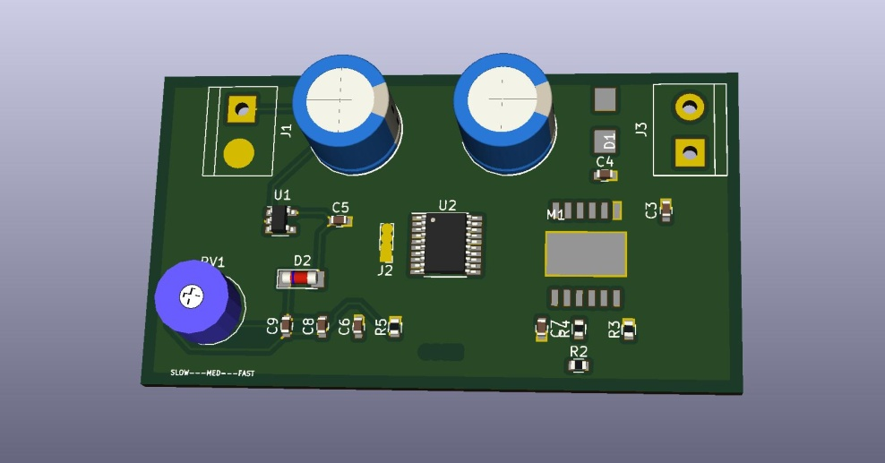
 |  |  |  | Prototype Cost | 20.91 € | Running Cost/Card | 10.46 €
 |  |  |  | for 5 Pcs | 104.56 €

